Sheet1
Title: feedback wrong response code
 | Reporter | Ivelina Valkova
Tested with username: no username | Assignee | none
User system role(s): unknown | Severity | Low
 | Priority | unknown
Environment: live | Date | 2023-03-27

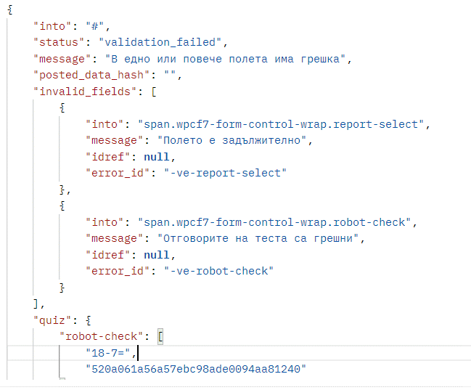
Steps to reproduce:
Given: user has access to Postman
When: user sends POST request "https://dev.bg/wp-json/contact-form-7/v1/contact-forms/7860/feedback?_locale=user"
Then:response code is 200
And:user should receive the the following message:
Expected Result: the response code should be "400 Bad Request"
Notes:
Attachments:

Is it a blocker or there is a workaround: Not a blocker, no workaround
How often does this happen (select with X):
[] every time
[X] from time to time ( more than 50-90% of the time)
[ ] rarely ( less than 1-50% of the time )
[ ] once

